Sheet2
www.glennmauserplastics.com |  |  |  |  |  |  | 3240 20th Avenue
 |  |  |  |  |  |  | Newton, NC 28658
 |  |  |  |  |  |  | Ph: 828-464-8996
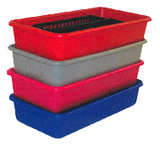
 |  | Tray |  |  |  |  | Fax: 828-466-3550
 |  | 19 1/4 x 14 x 4 |  |  |  |  | Cell: 828-238-5868
 |  | $5.00
 |  | You can mix & match colors!
 |  |  |  | Black | Gray | Red | Blue | Green
 | Qty per color:
Total Piece Ordered: |  |  |  | 0 | Call us for custom colors!
Cost: |  |  |  | $0.00
100 pieces, 10% Discount, you SAVE: |  |  |  | $-
500 pieces, 15% Discount, you SAVE: |  |  |  | $-
1000 pieces, 20% Discount, you SAVE: |  |  |  | $-
Your TOTAL COST: |  |  |  | $0.00
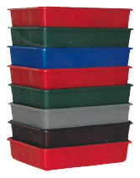

 |  | Tray
 |  | 19 1/4 x 10 1/4 x 4
 |  | $3.00
 |  | You can mix & match colors!
 |  |  |  | Black | Gray | Red | Blue | Green
 |  | Qty per color:
 | Total Piece Ordered: |  |  | 0 | Call us for custom colors!
Cost: |  |  |  | $0.00
100 pieces, 10% Discount, you SAVE: |  |  |  | $-
500 pieces, 15% Discount, you SAVE: |  |  |  | $-
1000 pieces, 20% Discount, you SAVE: |  |  |  | $-
Your TOTAL COST: |  |  |  | $0.00

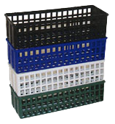
 |  | BASKET
 |  | 4 1/4 X 11 1/2 X 4
 |  | $1.00

 |  | You can mix & match colors!
 |  |  |  | Black | Gray | Red | Blue | Green
Qty per color:
Total Piece Ordered: |  |  |  | 0 | Call us for custom colors!
Cost: |  |  |  | $0.00
100 pieces, 10% Discount, you SAVE: |  |  |  | $-
500 pieces, 15% Discount, you SAVE: |  |  |  | $-
1000 pieces, 20% Discount, you SAVE: |  |  |  | $-
Your TOTAL COST: |  |  |  | $0.00

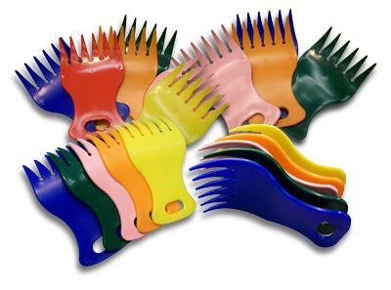
 |  |  | HAIR PICKS
 |  |  | $0.50

 |  | You can mix & match colors!
 |  |  |  | Black | Gray | Red | Blue | Green
Qty per color:
Total Piece Ordered: |  |  |  | 0 | Call us for custom colors!
Cost: |  |  |  | $0.00
100 pieces, 10% Discount, you SAVE: |  |  |  | $-
500 pieces, 15% Discount, you SAVE: |  |  |  | $-
1000 pieces, 20% Discount, you SAVE: |  |  |  | $-
Your TOTAL COST: |  |  |  | $0.00

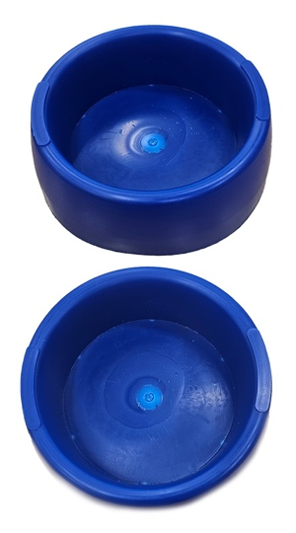
 |  |  |  | Dog Bowl
 |  |  |  | $3.00

 |  |  |  | Navy
Qty per color:
Total Piece Ordered: |  |  |  | 0
Cost: |  |  |  | $0.00
100 pieces, 10% Discount, you SAVE: |  |  |  | $-
500 pieces, 15% Discount, you SAVE: |  |  |  | $-
1000 pieces, 20% Discount, you SAVE: |  |  |  | $-
Your TOTAL COST: |  |  |  | $0.00

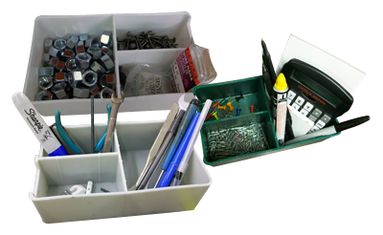
 |  |  |  | HANDY COMPARTMENTS
 |  |  |  | $1.00

 |  | You can mix & match colors!
 |  |  |  | Black | Gray | Red | Blue | Green
Qty per color:
Total Piece Ordered: |  |  |  | 0 | Call us for custom colors!
Cost: |  |  |  | $0.00
100 pieces, 10% Discount, you SAVE: |  |  |  | $-
500 pieces, 15% Discount, you SAVE: |  |  |  | $-
1000 pieces, 20% Discount, you SAVE: |  |  |  | $-
Your TOTAL COST: |  |  |  | $0.00

 | Grand Total Cost: |  |  | $0.00

 | *Make check payable to:
 |  | Glenn Mauser Plastics

 | Mail check to the address above. Check or money order, we will process order when payment is received and cleared. For credit card order,
 | or large quantity, give us a call.

